Table 1
IDTA Carbon Footprint
1
2
3 4
- Working draft 2023-01-24 -
5
Contents
7 2 8 1 General 5 9 1.1 About this document 5 10 1.2 Scope of the Submodel 5 11 1.3 Relevant standards for the Submodel template 5 12 1.4 Use cases, requirements and design decisions 6 13 2 Submodel Product Carbon Footprint (PCF) 9 14 2.1 Approach 9 15 2.2 Carbon Footprint Submodel Template 10 16 2.3 SMC Product Carbon Footprint Calculation (PCF) 10 17 2.4 SMC Transport Carbon Footprint Calculation (TCF) 13 18 2.5 SMC Address 14 19 2.6 SMC Reference To Data Source 15 20 Annex A. Explanations on used table formats
Figures
26
27 Figure 1: Submodel template structure 9 28 29
Tables
30
31 Table 1: SM Carbon Footprint 10 32 Table 2: SMC Product Carbon Footprint 11 33 Table 3: Transport Carbon Footprint 13 34
1 General
35
36 1.1 About this document 37 This document is a part of a specification series. Each part specifies the contents of a Submodel template for 38 the Asset Administration Shell (AAS). The AAS is described in [1], [2], [3] and [6]. First exemplary Submodel 39 contents were described in [4], while the actual format of this document was derived by the "Administration 40 Shell in Practice" [5]. The format aims to be very concise, giving only minimal necessary information for 41 applying a Submodel template, while leaving deeper descriptions and specification of concepts, structures 42 and mapping to the respective documents [1] to [6]. 43 The target group of the specification are developers and editors of technical documentation and 44 manufacturer information, which are describing assets in smart manufacturing by means of the Asset 45 Administration Shell (AAS) and therefore need to create a Submodel instance with a hierarchy of 46 SubmodelElements. This document especially details on the question, which SubmodelElements with which 47 semantic identification shall be used for this purpose. 48 49 1.2 Scope of the Submodel 50 This Submodel template provides the means to exchange an asset`s Carbon Footprint (CF) between the 51 52 t 53 54 55 56 not substitute the relevant certificates. 57 58 1.3 Relevant standards for the Submodel template 59 ECLASS 60 ECLASS is a classification system for products and services maintained by the industry consortium ECLASS 61 e.V. It supports the digital exchange of product descriptions and service descriptions, in the form of 62 standardized data formats based on IEC 61360. As of ECLASS v13 a set of property definitions for PCF 63 modelling i

partners along a value chain. The aim |  | of this Submodel is to increase the interoperability between the
parties, who are interested in documenting, exchanging, evaluating or optimizing the environmental footprin
of their assets. These parties can for example be manufacturers, users/consumers or logistic partners. The
CF might be part of larger initiatives such as the Digital Product Passport or the Product Environmental
Footprint. It is not the scope of this | Submodel template to provide the details of the CF-calulation and it does
78 EN 15804 - Building Sustainability — Environmental Product Declarations — Basic Rules for the 79 Product Category of Building Products 80 The standard ensures that all EPDs for building products, building services, and building processes are 81 derived, verified, and represented in a uniform manner. It stipulates the fundamental product category rules. 82 83 EN 16258 - Methodology for calculation and declaration of energy consumption and GHG emissions 84 of transport services (freight and passengers) 85 This European Standard establishes a common methodology for the calculation and declaration of energy 86 consumption and greenhouse gas (GHG) emissions related to any transport service (of freight, passengers 87 or both) 88 89 IEC TS 63058 - Switchgear and controlgear and their assemblies for low voltage - Environmental 90 aspects 91 This standard provides guidance to manufacturers of low-voltage switchgear and controlgear and their 92 assemblies in evaluating and improving the environmental impact of their products, and in enabling effective 93 communication using common references for environmental information throughout the supply chain. 94 95 GHG Protocol - Greenhouse Gas Protocol 96 GHG Protocol establishes comprehensive global standardized frameworks to measure and manage 97 greenhouse gas (GHG) emissions from private and public sector operations, value chains and mitigation 98 actions. 99 100 PEP Ecopassport - Product Environmental Profile Ecopassport 101 The mission of the non profit P.E.P. Association is to develop internationally the Environmental declaration 102 Program PEP ecopassport ® concerning electrical, electronic and HVAC (heating, ventilation, air- 103 conditioning, refrigeration) products. The Ecopassport provide a reference framework in compliance with the 104 ISO 14025 and ISO 14040s standards 105 106

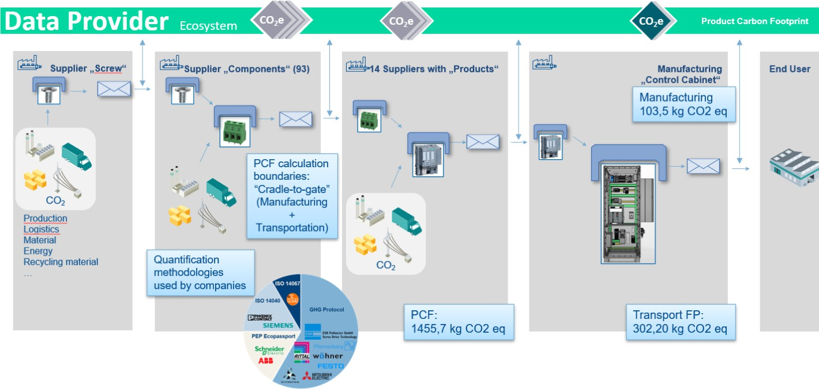 122 sometimes only the value for certain lifecycle phases. Also depending on the use case certain effects need 123 to be included or excluded from the calculation. Therefore, the Submodel template allows to provide multiple 124 PCF values using different calculating methods and assumptions. 125 Depending on the agreement of the partners in the value chain an asset’s PCF may be communicated freely 126 by providing the actual PCF values in the Submodel. Alternatively, the PCF is stored separately in external, 127 decentralised databases. For these cases, the Submodel template provides the information how to access 128 these external data sources. 129 The basic design of the Submodel template is therefore that an unlimited number of 130 SubmodelElementCollections (SMC) can be listed. Thereby, each SMC can address the carbon footprint 131 using a different standard, calculation method or assumption. This specification will list a growing number of 132 supported standards. 133 Use Case of ZVEI PCF@ControlCabinet 134 One of the use cases guiding the creation of the template specification is the ZVEI demonstrator 135 PCF@ControlCabinet. The object of this demonstrator was the integration of more than 100 components 136 from more than 10 different manufacturers into a control cabinet. The objective was to dynamically calculate 137 the PCF of the control cabinet on the basis of the management shells, which exchange sustainability 138 information across business partners in the value network. Different calculation methods and scopes had to 139 be considered. More information about the demonstrator and the use cases can be found in the discussion 140 paper [7]. 141 142 Figure 1 Use Case PCF@ControlCabinet, Source ZVEI 143

144 145 Further Use-Cases 146 - Comparison of PCF Values based on standardized Product-Category Rules 147 o How does the User see, that two PCF Values are comparable? (Work Item 4 ZVEI, VDMA) 148 o Sourcing Decision 149 o Quality Indicator (Self Declaration, 3rd Part verification, …) 150 o Documentation Quality 151 ▪ PCF Value Only (Information) 152 - (ZVEI Showcase) Passing PCF Values through the Value Chain for integrated and dynamic PCF 153 Calculation 154 o Does the Methology fit in my own reporting standard? 155 o Documentation Quality 156 ▪ Documentation included and Handover for further Calculation (Customer only) 157 - Accelerate 3rd Party Verification based on standardized Datamodel for Input and Output Data 158 o Documentation Quality 159 ▪ Deep PCF Verification Documentation for 3rd Party verification 160 161 162 Methology 163 Product Category Rules 164 Product Specific Rules
2 Submodel Product Carbon Footprint (PCF)
165
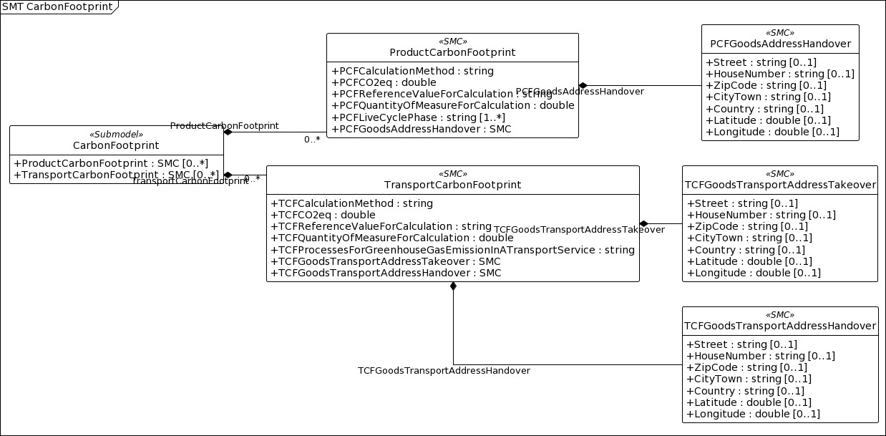 166 2.1 Approach 167 The basic design of the Submodel template is that an unlimited number of SubmodelElementCollections 168 (SMC) can be listed. Thereby, each SMC can address the carbon footprint using a different standard, 169 calculation method or assumption. 170 The first version of the Submodel specification focusses on the ECLASS model. The current draft of the 171 ECLASS model distinguishes between the Product Carbon Footprint (PCF) and the Transport Carbon 172 Footprint (TCF) calculation. It currently supports EN 15804, ISO 14040, ISO 14044, ISO 14067, IEC TS 173 63058, GHG Protocol, PEP Ecopassport for the PCF and EN 16258 for the TCF. 174 The general structure of the Submodel is given in 175 176 Figure 2. 177 178 Figure 2: Submodel template overview

